Skills Matrix
 |  |  |  |  | Production Blue Crew - 01 Jan 2025 10:43 pm |  |  |  |  |  | Preview Only
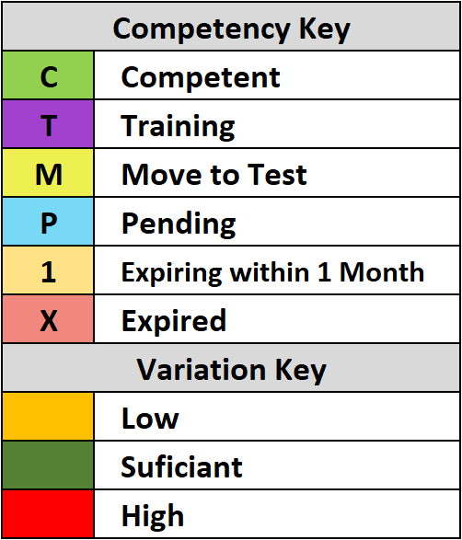 | Operate a Light Vehicle | Mechanical Haul Truck (CAT-789D) | Electric Haul Truck (Komatsu-830E) | Grader (CAT-16M) | Grader (CAT-24M) | Tracked Dozer (Komatsu-475) | Tracked Dozer (CAT-D11T) | Wheel Loader (Komatsu-WA1200) | Hydraulic Excavator (Liebherr-996) | Hydraulic Excavator (Liebherr-9800)
Total Required | 3 | 4 | 5 | 2 | 2 | 4 | 4 | 2 | 4 | 2
Total Authorised | 3 | 4 | 4 | 4 | 3 | 2 | 2 | 2 | 3 | 3
Name ↓ | Variation → | 0 | 0 | -1 | 2 | 1 | -2 | -2 | 0 | -1 | 1
Donna Miles | X
Garry Smith | X | C | C | C | T | C | C
James Robertson |  | M | M |  | M | M | M | M
Jarred Henry | C | C | C |  |  |  | T |  | C | C
Jessie Murray |  |  | C |  | T
Josh Thompson |  | C |  |  |  | C
Matt Hayes |  |  |  | C |  |  |  |  | C | T
Nathan Brown |  |  | C | C |  |  |  |  | C | C
Steve Baker |  |  |  | C |  |  |  | C
Toby Watson |  | C |  |  | C |  |  | C

